Chart
IMAGE | QTY / PCS | CASE PACK | # OF CASES | PRODUCT DESCRIPTION | STYLE #: | PRICE
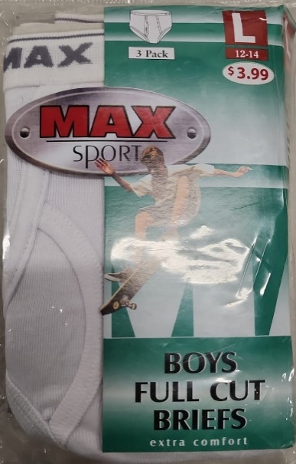 | 252 | 36 | 7 | MAX SPORT 3PK BOYS FULL CUT BREIFS - SMALL | MSB-3WS | $1.35
 | 1,980 | 36 | 55 | MAX SPORT 3PK BOYS FULL CUT BREIFS - MEDIUM | MSB-3WM
 | 1,290 | 30 | 43 | MAX SPORT 3PK BOYS FULL CUT BREIFS - LARGE | MSB-3WL
 | 1,836 | 36 | 51 | MAX SPORT 3PK BOYS FULL CUT BREIFS- X-LARGE | MSB-3WXL
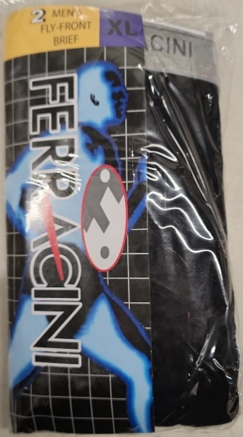 | 11,088 | 36 | 308 | FERRACINI 2PK MEN'S FLY FRONT BRIEF | FM-2C
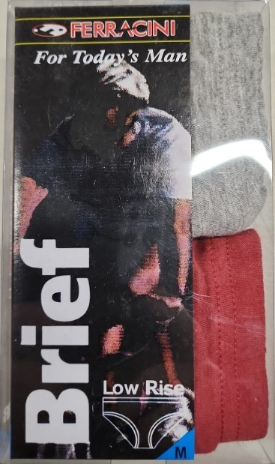 | 741 | 39 | 19 | FERRACINI 2PK MEN'S LOW RISE BRIEF - SMALL | FM-2S
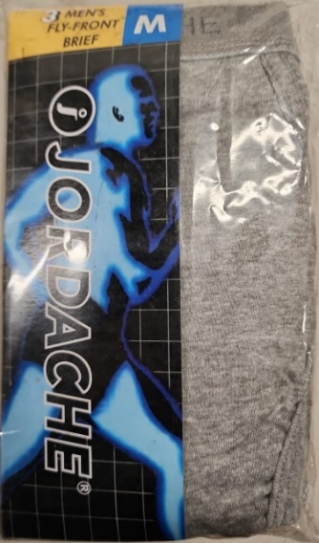 | 1,008 | 12 | 84 | JORDACHE 3PK MEN'S FLY FRONT BRIEF - WHITE (LARGE ONLY) | JM-3WL

